52_MW
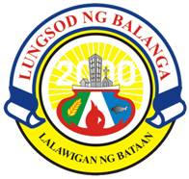

City Government Of Balanga
Outbreak Control and Prevention Program
City Hall Annex, Balanga City
City Hall Annex, Balanga City
NO. | Full Name | AGE | Sex | DOB | DAdmit | DOnset | MW | NameOfDru | Barangay

